Sheet1


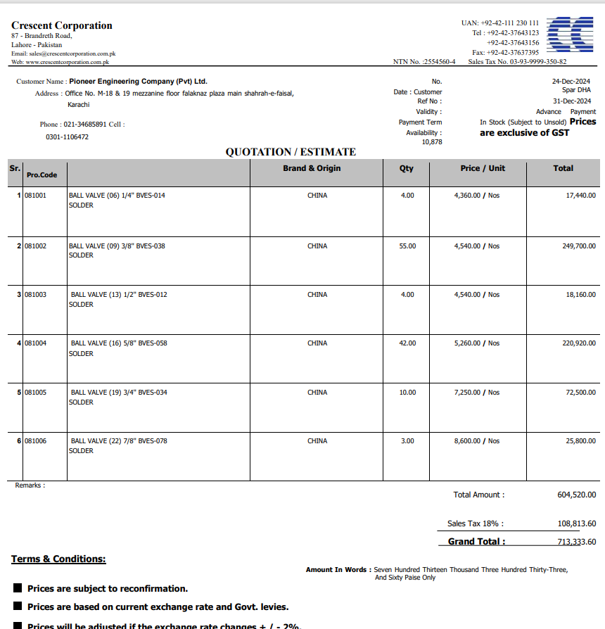

M/S IK Associates |  |  |  |  |  |  |  | 2025-01-24

Project: Spar Super Market.

Attn: Taha Ghaznavi

Variation # 1
Supply & installation of Ball Valves

S. # | Description | Material Rate | Labour Rate | Over Head profit 28% | Total Rate | Unit | Qty | Amount
 | Brand: CHINA
1 | BALL VALVE (06) 1/4'' BVES-014 Solder | 5,145 | 1,500 | 1,861 | 8,505 | Nos | 4 | 34,021 | 4360 | 5,144.80
2 | BALL VALVE (13) 3/8'' BVES-012 Solder | 5,357 | 1,500 | 1,920 | 8,777 | Nos | 55 | 482,747 | 4540 | 5,357.20
3 | BALL VALVE (13) 1/2'' BVES-012 Solder | 5,357 | 1,500 | 1,920 | 8,777 | Nos | 4 | 35,109 | 4540 | 5,357.20
4 | BALL VALVE (16) 5/8'' BVES-058 Solder | 6,207 | 2,000 | 2,298 | 10,505 | Nos | 42 | 441,198 | 5260 | 6,206.80
5 | BALL VALVE (19) 3/4'' BVES-034 Solder | 8,555 | 2,500 | 3,095 | 14,150 | Nos | 10 | 141,504 | 7250 | 8,555.00
6 | BALL VALVE (22) 7/8'' BVES-078 Solder | 10,148 | 3,000 | 3,681 | 16,829 | Nos | 3 | 50,488 | 8600 | 10,148.00
Total Amount Rs. |  |  |  |  |  |  |  | 1,185,067

Note: Supplier's quotation attached

Thanking you,

For PIONEER ENGINEERING SERVICES.

Bilal Habib

